Pivot Table
Row Labels | Count of Subdistrict
2 | 1 | 1995 | 19
3 | 3 | 1996 | 18
4 | 2 | 1997 | 9
5 | 36 | 1999 | 18
6 | 74 | 2000 | 11
7 | 112 | 2001 | 12
8 | 118 | 2002 | 11
9 | 101 | 2003 | 14
10 | 63 | 2004 | 16
11 | 24 | 2005 | 16 | 428
12 | 6 | 2006 | 18
(blank) | 3 | 2007 | 17
Grand Total | 543 | 2008 | 25
 |  | 2009 | 26
 |  | 2010 | 27
 |  | 2011 | 19
 |  | 2012 | 20
 |  | 2013 | 18
 |  | 2014 | 25
 |  | 2015 | 39
 |  | 2016 | 27
 |  | 2017 | 27
 |  | 2018 | 15
 |  | 2019 | 22
 |  | 2020 | 17
 |  | 2021 | 28
 |  | 2022 | 12
 |  | 2023 | 17

 |  |  | 543

Disposition
Fate of Bears HBV |  |  | Combined Fate of Bears |  |  | Fate of bears with Known Dispositions
Row Labels | # |  | Disposition | Count of # | % | Disposition | Count of # | %
Dead | 124 |  | Dead | 124 | 23% | Dead | 124 | 29%
Euthanized | 18 |  | Euthanized | 18 | 3% | Euthanized | 18 | 4%
Injured - Probably Dead | 14 |  | Injured | 66 | 12% | Injured | 66 | 15% | Updated 2023
Injured - Recovered | 13 |  | Ran off | 221 | 41% | Ran off | 221 | 52%
Injured - Unknown | 39 |  | Unknown/UTL | 114 | 21% | Grand Total | 429 | 100%
Ran Off | 221 |  | Grand Total | 543 | 100%
Unknown | 45
UTL | 69
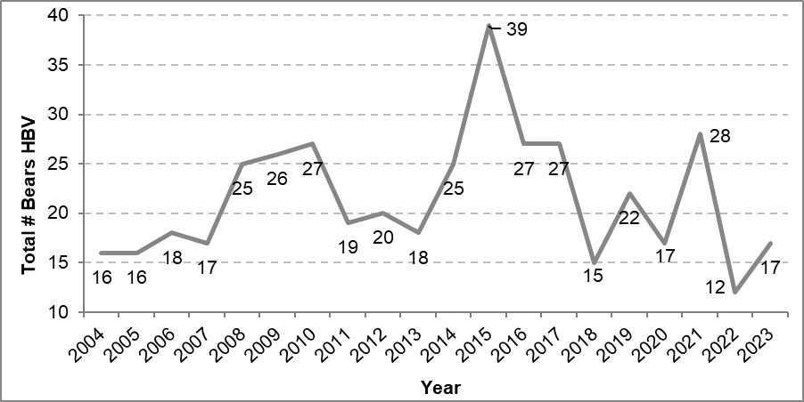
Grand Total | 543

# Bears Hit by Year
Year | # Bears HBV | Annual Visitation
1995 | 19
1996 | 18
1997 | 9
1999 | 18
2000 | 11
2001 | 12 | 3,400,903 | 3.53E-06
2002 | 11 | 3,368,731 | 3.27E-06
2003 | 14 | 3,361,867 | 4.16E-06
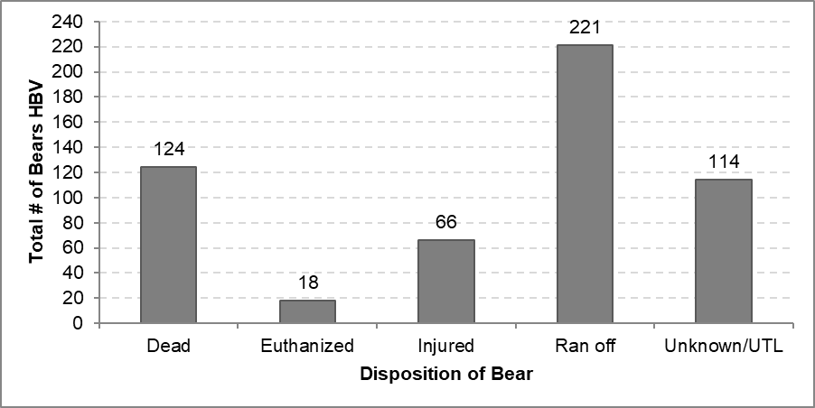
2004 | 16 | 3,378,664 | 4.74E-06
2005 | 16 | 3,280,911 | 4.88E-06
2006 | 18 | 3,304,144 | 5.45E-06
2007 | 17 | 3,242,644 | 5.24E-06
2008 | 25 | 3,503,428 | 7.14E-06
2009 | 26 | 3,431,514 | 7.58E-06
2010 | 27 | 3,737,472 | 7.22E-06
2011 | 19 | 3,901,408 | 4.87E-06
2012 | 20 | 3,951,393 | 5.06E-06
2013 | 18 | 3,853,404 | 4.67E-06
2014 | 25 | 3,691,191 | 6.77E-06
2015 | 39 | 3,882,642 | 1.00E-05
2016 | 27 | 4,150,217 | 6.51E-06
2017 | 27 | 5,028,868 | 5.37E-06
2018 | 15 | 4,336,890 | 3.46E-06
2019 | 22 | 4,009,436 | 5.49E-06
2020 | 17 | 2,360,812 | 7.20E-06
2021 | 28 | 3,343,988 | 8.37E-06
2022 | 12 | 3,667,550 | 3.27E-06
2023 | 17 | 3,652,868 | 4.65E-06
Grand Total | 543

# Dead Bears Per Year by Type of Disposition Mangement Kills Include HBV Euthanasias
Year | Found Dead | Mgmt Euthanasia
1995 | 7 | 4
Total # of Bears Confirmed Dead
 | Found Dead | Mgmt Euthanasia
1995 | 7 | 4
1996 | 7 | 1
1997 | 3 | 4
1999 | 6 | 5
2000 | 3 | 5
2001 | 3 | 3
2002 | 1 | 3
2003 | 4 | 1
2004 | 3 | 3
2005 | 2 | 1
2006 | 5 | 2
2007 | 5 | 3
2008 | 4 | 3
2009 | 3 | 5
2010 | 6 | 6
2011 | 8 | 4
2012 | 5 | 5
2013 | 2 | 1
2014 | 7 | 0
2015 | 9 | 1
2016 | 9 | 2
2017 | 6 | 0
2018 | 1 | 1
2019 | 1 | 0
2020 | 2 | 3
2021
1996 | 7 | 1
 | Found Dead
1995 | 7
1996 | 7
1997 | 3
1999 | 6
2000 | 3
2001 | 3
2002 | 1
2003 | 4
2004 | 3
2005 | 2
2006 | 5
2007 | 5
2008 | 4
2009 | 3
2010 | 6
2011 | 8
2012 | 5
2013 | 2
2014 | 7
2015 | 9
2016 | 9
2017 | 6
2018 | 1
2019 | 1
2020 | 2
2021
1997 | 3 | 4
1999 | 6 | 5
2000 | 3 | 5
2001 | 3 | 3
2002 | 1 | 3
2003 | 4 | 1
2004 | 3 | 3
2005 | 2 | 1
2006 | 5 | 2
2007 | 5 | 3
2008 | 4 | 3
2009 | 3 | 5
2010 | 6 | 6
2011 | 8 | 4
2012 | 5 | 5
2013 | 2 | 1
2014 | 7 | 0
2015 | 9 | 1
2016 | 9 | 2
2017 | 6 | 0
2018 | 1 | 1
2019 | 1 | 0
2020 | 2 | 3
2021
2022
2023
Grand Total | 112 | 62

Time
Hour of the Day # HBV
Hour | # HBV | %
1 | 1 | 0%
2 | 0 | 0%
3 | 1 | 0%
4 | 0 | 0%
5 | 2 | 0%
6 | 6 | 1%
7 | 9 | 2%
8 | 14 | 3%
9 | 13 | 2%
10 | 26 | 5%
11 | 17 | 3%
12 | 21 | 4%
13 | 24 | 5%
14 | 18 | 3%
15 | 35 | 7%
16 | 25 | 5%
17 | 28 | 5%
18 | 36 | 7%
19 | 23 | 4%
20 | 27 | 5%
21 | 19 | 4%
22 | 8 | 2%
23 | 2 | 0%
24 | 0 | 0%
(blank) | 174 | 33%
Grand Total | 529 | 100% | Updated 2023

DOW
# Bears HBV Per Day of the Week
 | # Bears HBV | %
Sunday | 100 | 19%
Monday | 72 | 13%
Tuesday | 62 | 11%
Wednesday | 71 | 13%
Thursday | 72 | 13%
Friday | 79 | 15%
Saturday | 84 | 16%
Grand Total | 540 | 100%
 | 3 unk

 |  |  | Updated 2023

Month
Jan
Feb | 1
Mar | 3
Apr | 2
May | 36
June | 74
July | 112
Aug | 118
Sept | 101
Oct | 63
Nov | 24
Dec | 6
Total # of Bears HBV per Month
Month | Month | Count of #
1 | Jan
2 | Feb | 1
3 | Mar | 3
4 | Apr | 2
5 | May | 36 | May-Oct
6 | June | 74 | 504 | 0.93333333333
7 | July | 112 | May-Sept
8 | Aug | 118 | 441 | 0.81666666667
9 | Sept | 101 | June-Sept
10 | Oct | 63 | 405 | 0.75
11 | Nov | 24
12 | Dec | 6
Grand Total |  | 540

 |  | Updated 2023

Age&Sex
# Bears HBV by Age |  |  | Combined |  |  |  | Known Ages Only
Age | Count of # |  | Age | Count of # | % |  | Age | Count of # | %
Adult | 116 |  | Adult | 116 | 21% |  | Adult | 116 | 36%
Cub | 75 |  | Cub/Yearling | 163 | 30% |  | Cub/Yearling | 163 | 50%
Cub/Yearling | 28 |  | Sub-adult | 46 | 8% |  | Sub-adult | 46 | 14%
Sub-adult | 46 |  | Unknown | 218 | 40% |  | Grand Total | 325 | 100%
Unknown | 218 |  | Grand Total | 543 | 100%
Yearling | 60
Grand Total | 543

Sex | Count of # | % |  | Sex | Count of # | %
F | 65 | 12% |  | Female | 65 | 54%
M | 56 | 10% |  | Male | 56 | 46%
U | 422 | 78% |  | Grand Total | 121 | 100%
Grand Total | 543 | 100%

 |  | Updated 2023

Road
# Bears Hit by Road 1995-2018
All Years |  |  |  |  |  | Count of # | Column Labels
Road | Km of Road | Mi of Road | # HBV | #HBV/Km Rd | #HBV/MI Rd | Row Labels | BOF | CF | EP | HH | TC | TM | WA | WW | YV | Grand Total
Tioga | 66 | 45 | 140 | 2.12 | 3.11 | Glacier PT |  |  |  |  |  |  | 46 |  |  | 46
BOF | 33 | 21 | 104 | 3.15 | 4.95 | HH Road |  |  |  | 3 |  |  |  |  |  | 3
EP | 17 | 10 | 43 | 2.53 | 4.30 | Hwy 120 | 83 | 7 |  |  |  |  |  |  |  | 90
Valley | 27 | 17 | 77 | 2.85 | 4.53 | Hwy 140 |  |  | 43 |  |  |  |  |  |  | 43
Wawona | 40 | 25 | 111 | 2.78 | 4.44 | Hwy 41 |  |  |  |  |  |  | 111 |  |  | 111
GP | 19 | 15 | 47 | 2.47 | 3.13 | Tioga Rd | 12 | 2 |  |  | 73 | 18 |  | 35 |  | 140
Sum | 174 | 133 | 522 | 3.00 | 3.92 | Valley |  |  |  |  |  |  |  |  | 76 | 76
 |  |  |  |  |  | Grand Total | 95 | 9 | 43 | 3 | 73 | 18 | 157 | 35 | 76 | 509
 |  |  |  |  |  |  | 3 unk

# of Bears HBV 2011-2018

# of Bears HBV per KM of Road

# Hit per Roadway
# of Bears Hit 1995-2017
Row Labels | # Dead | Count of # | # Bears Hit and Not Killed | Road | Number of Bears Hit 1995-2016
1995 | 7 | 19 | 12 | Row Labels | Count of #
1996 | 7 | 18 | 11 | Glacier PT Rd | 40
1997 | 3 | 9 | 6 | BOF Rd | 80
1999 | 7 | 18 | 11 | El Portal Rd | 38
2000 | 3 | 11 | 8 | Wawona Rd | 93
2001 | 3 | 12 | 9 | Tioga Rd | 120
2002 | 3 | 11 | 8 | Valley | 58
2003 | 4 | 14 | 10 | Grand Total | 429
2004 | 3 | 16 | 13
2005 | 2 | 16 | 14 | Road | # Hit | # Hit and Not Killed | #Killed
2006 | 5 | 18 | 13 | Glacier PT | 40 | 28 | 12
2007 | 5 | 17 | 12 | Hwy 120 | 80 | 64 | 16
2008 | 6 | 25 | 19 | Hwy 140 | 38 | 21 | 17
2009 | 4 | 26 | 22 | Hwy 41 | 93 | 75 | 18
2010 | 7 | 27 | 20 | Tioga Rd | 120 | 73 | 47
2011 | 10 | 19 | 9 | Valley | 58 | 49 | 9
Proportion of Bears Killed per # Hit by Road
2012 | 6 | 20 | 14 | Grand Total | 429 | 310 | 119
2013 | 2 | 18 | 16
2014 | 7 | 25 | 18
Total # of Bears Hit and Killed per Year
2015 | 10 | 39 | 29
2016 | 9 | 18 | 27
2017 | 6 | 21 | 27
Grand Total | 119 | 417 | 301

KBW
Year | 2017 | 2021-05-29 | Ran Off | Just east of Chinquapin | 37.6548, -119.7020
 |  | 2021-06-01 | Ran Off | Mammoth View | 37.8782, -119.2813
Road | Total # Hit 2017 | 2021-06-10 | Ran Off | 1 mi. north of South entrance | 37.526783, -119.621200
Tioga Rd | 10 | 2021-06-11 | Injured - Unknown | Between Tunnel View and Rostrum | 37.714603, -119.696584
Hwy 120 | 8 | 2021-06-21 | Ran Off | Just west of long tunnel BOF road | 37.7167, -119.7243
Hwy 140 | 3 | 2021-06-25 | Dead | Cascade Creek pull out. Between tunnels | 37.7263, -119.7168
Hwy 41 | 2 | 2021-07-01 | Ran Off | Jct with Poopenaut Valley TH | 37.90983,-119.81471
Valley | 1 | 2021-07-11 | Injured - Unknown | Between Crane Flat and Big Meadow | 37.73514, -119.75924
Total | 24 | 2021-07-18 | Ran Off | Michael's ledges area | 37.7272, -119.6146
 |  | 2021-07-18 | Ran Off | Lower falls crosswalk | 37.745727, -119.597209
 |  | 2021-07-19 | Dead | 1 mile east of Arch Rock | 37.70169, -119.72224
 |  | 2021-07-17 | Ran Off | Just west of Happy Isles | 37.73295, -119.56152
 |  | 2021-07-29 | Unknown | near Mono Meadow TH | 37.675531, -119.587830
 |  | 2021-08-07 | Ran Off | Between Lembert Dome & Wilderness Center | 37.877179, -119.348599
 |  | 2021-08-18 | Ran Off | 10 mi east of Crane Flat | 37.830677, -119.702390
 |  | 2021-08-26 | Dead | Grouse Creek Pullout | 37.690100, -119.700129
 |  | 2021-08-28 | Dead | 1 mi. past Cathedral Beach | 37.725268, -119.614419
 |  | 2021-08-31 | Ran Off | Sentinel Dome Trailhead | 37.71256, -119.58591
 |  | 2021-09-01 | Ran Off | Just past Chinqapin towards Wawona | 37.50084, -119.63155
 |  | 2021-09-01 | Dead | Hwy 120 just west of South Fork of Tuolumne TH | 37.78793, -119.73677
 |  | 2021-09-18 | Dead | Hwy 140 just opposite Pattie's Hole | 37.67258, -119.78832
 |  | 2021-09-22 | Dead | Southside Dr just west of intersection with El Cap Cross | 37.72113, -119.62854
 |  | 2021-10-01 | Injured - Probably Dead | Across from ATT Building | 37.74943, -119.58827
 |  | 2021-10-05 | Ran Off | .75 miles into park from BOF entrance | 37.81197, -119.87457
 |  | 2021-10-13 | Ran Off | BOF Rd just south of Crane Flat | 37.74900,-119.78191
 |  | 2021-10-17 | Ran Off | Northside Drive by C6 | 37.74355,-119.58481
 |  | 2021-10-23 | Ran Off | Ahwahnee Parking Lot | 37.74748, -119.57513
 |  | 2021-11-10 | Dead | Pattie's Hole | 37.67258, -119.78832

Vehicle-Bear Collisions, 1995-2021
1995 | 19
1996 | 18
1997 | 9
1999 | 18
2000 | 11
2001 | 12
2002 | 11
2003 | 14
2004 | 16
2005 | 16
2006 | 18
2007 | 17
2008 | 25
2009 | 26
2010 | 27
2011 | 19
2012 | 20
2013 | 18
2014 | 25
2015 | 39
2016 | 27
2017 | 27
2018 | 15
2019 | 22
2020 | 17
2021 | 28

